Overview
SAS Forecasting - Call Volume

 |  |  |  |  |  | Visualization | EDA |  | Modelling |  |  | SAS Available Models |  | SAS + Python
 | Context |  |  |  |  |  |  |  | Training Period | 5 years | Jan 15 to Jul20
 | Call log of the Unified Call Center's service requests obtained from the Information Technology department of Milwaukee US. For our current use case, we have taken historical call log data (2015-2020) to forecast the call vlume expected in the near future. Data contains call recorded time, title of the issue / subject, Address , Resolution description and closure date. |  |  |  |  | Daily Trend | Inferences: |  | Forecasting Period | 3 Months | Aug 20 to Oct 20 | Exponential smoothing |  | Execute python script in SAS (Enterprise)
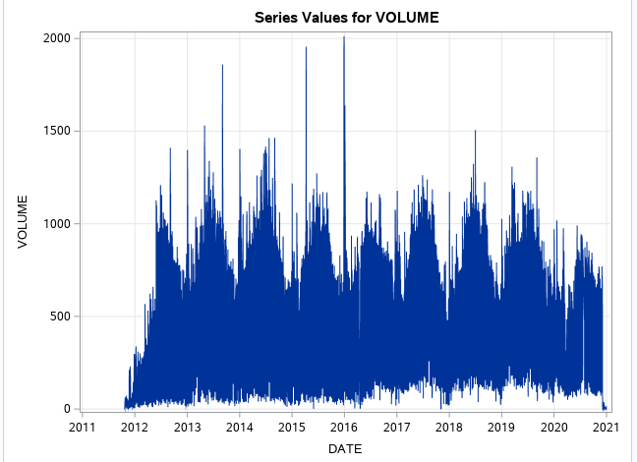
 |  |  |  |  |  |  | Data shows only seasonal pattern |  |  |  |  | Winters smoothing, additive and multiplicative
 |  |  |  |  |  |  | Data rolled to weekly level for modelling |  | Model | Accuracy (MAPE) | RMSE | Box-Jenkins ARIMA models, including seasonal ARIMA models |  | Prerequisites
 |  |  |  |  |  |  |  |  | Holts Winter | 75% | 709 | Time trend | linear | JAVA & Python installed
 |  |  |  |  |  |  |  |  | Random | 74% | 749 |  | quadratic | Set JAVA Class
 |  |  |  |  |  |  | Top 5 Complaints/Topics |  | ARIMA | 63% | 980 |  | cubic | SAS execute .py using Run line commands
 |  |  |  |  |  |  |  |  | Moving Average | 19% | 2975 |  | logistic | Add .py in SAS library
 | Data Source : | https://data.milwaukee.gov/dataset/callcenterdatahistorical |  |  |  |  | Title | % of Total |  |  |  |  | logarithmic
 |  |  |  |  |  |  | Night Parking Permission Web | 30% |  |  |  |  | exponential
 |  |  |  |  |  |  | Cart Requests - Garbage | 4% |  |  |  |  | hyperbolic
 |  |  |  |  |  |  | Call Backs Sanitation | 4% |  |  |  |  | power function
 | Data |  |  |  |  |  | Seasonal and Sweeping Requests | 3% |  |  |  |  | exp(A+B/time)
Call Volume (Aug 20 to Oct 20) Test vs Predicted
 | VOLUME | ARIMA | ESM | RAND | MVG AVG
44045 | 4085 | 4601.314089 | 4563.260326 | 4615 | 4141.320666
44052 | 4091 | 4486.023515 | 4428.48162 | 4339 | 3910.707075
44059 | 3950 | 4409.88517 | 4261.018423 | 4161 | 3008.353518
44066 | 4166 | 4378.558559 | 4571.075126 | 4104 | 2157.547235
44073 | 4096 | 4240.621596 | 3967.582732 | 3713 | 643.6078083
44080 | 3239 | 4322.858729 | 4256.808888 | 3982 | 105.066945
44087 | 4044 | 4422.415484 | 3766.03928 | 4298 | -194.0183695
44094 | 3972 | 4180.663548 | 3608.224564 | 3575 | 0
44101 | 3448 | 4171.670327 | 3672.278892 | 3555 | 0
44108 | 3497 | 4178.850911 | 3574.090185 | 3582 | 0
44115 | 3291 | 3963.930984 | 3491.972156 | 2934 | 0
44122 | 3309 | 4060.319936 | 3436.355651 | 3229 | 0
44129 | 3244 | 3895.792136 | 3005.336535 | 2732 | 0
44136 | 3488 | 3904.896127 | 3147.283369 | 2761 | 0
44143 | 3657 | 3741.666706 | 3126.41163 | 2267 | 0
44150 | 3349 | 4040.189203 | 2395.344268 | 3173 | 0
44157 | 2219 | 3599.794121 | 3170.197098 | 1838 | 0
44164 | 864 | 4067.596311 | 3057.029269 | 3257 | 0
 | Features | Creationdate,Objectdesc, Title, Closeddatetime, Caseclosurereasondescription |  |  |  |  | Building in Disrepair Web | 3% |  |  |  | Data transformations | logarithmic
 | Dimension | Rows: 1.26M | Column:3 |  |  |  | Debris/Litter/Mess Web | 3% |  |  |  |  | logistic
 | Period | Jan 15 to Oct 20 |  |  |  |  |  |  |  |  |  |  | square root
 |  |  |  |  |  |  |  |  |  |  |  |  | Box-Cox
 | Sample Data
 | CREATIONDATE | OBJECTDESC | TITLE | CLOSEDDATETIME | CASECLOSUREREASONDESCRIPTION
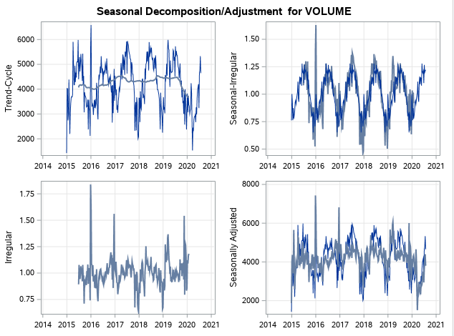
 | 2020-08-27 | 1432 N 31ST ST, MILWAUKEE, WISCONSIN, 53208-2441 | Recycling Cart: Missing |  | Rec #4684987/4684985/4684983/4684981 - Caller states R-carts still have not been collected. Caller states the whole alley was missed. Thank you | Weekly Trend
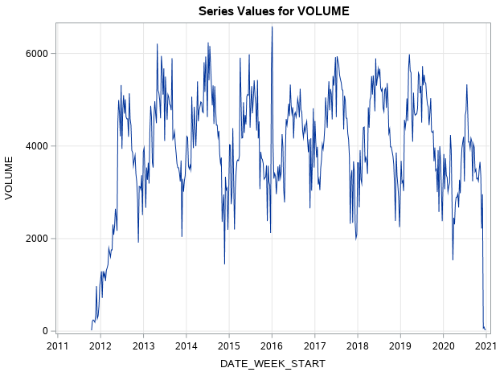
 | 2020-08-27 | 1622 N MAYFLOWER CT, MILWAUKEE, WISCONSIN, 53205-2265 | Graffiti |  | Graffiti near the exit entrance
 | 2020-08-29 | 1900 N 53RD ST, MILWAUKEE, WISCONSIN, 53208-1760 | Other Miscellaneous Forestry Request |  | neighborhood would like to know aprox date that felled branches will be cleared on 1900-2000 block of 53rd - we are planning events an it would be great to know -thanks for all your work.
 | 2020-08-30 | 2372 N STANLEY PL, MILWAUKEE, WISCONSIN, 53212-3519 | Graffiti |  | Graffiti on the building.
 | 2020-08-30 | 2856 N 56TH ST, MILWAUKEE, WISCONSIN, 53210-1525 | Scattered Litter and Debris on Private Property |  | litter and debris
 | 2020-09-01 | 2964 S 15TH PL, MILWAUKEE, WISCONSIN, 53215-3719 | Area Dark |  | Entire blocks of 2900 and 3000 s 15th place street lights out. 4 nights in a row
 | 2020-09-02 | 3031 W FARDALE AV, MILWAUKEE, WISCONSIN, 53221-1257 | Scattered Litter and Debris on Private Property |  | I recently file complaint #10449877 about this issue and it was resolved. the shopping carts are back, mostly at the driveway of 3031 w fardale, but also up and down the block and on loomis. I called store twice and each time the clerk states they will tell the manager, but nothing is done about it. I counted 22 total. Is there any way pick n save can be proactive about this because it makes the neighborhood look terrible?
 | 2020-09-03 | 3111 W SCOTT ST, MILWAUKEE, WISCONSIN, 53215-1534 | Zoning Violation | 2021-08-27 | Large Items through out yard

Sheet1
